Introduction
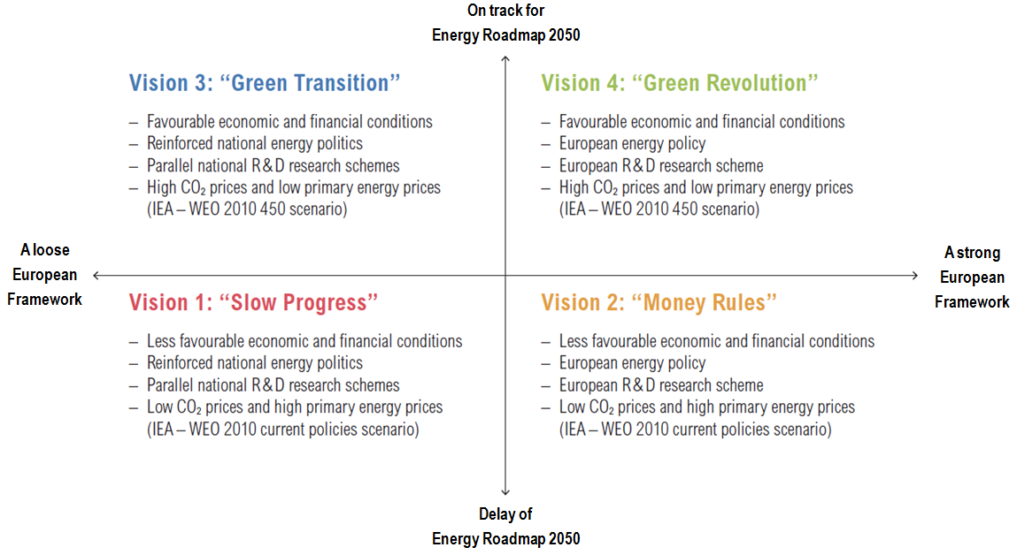
Structure of the document

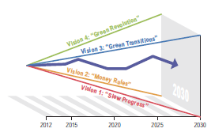
The dataset includes the following data used in the pan-European market studies performed in the framework of TYNDP 2014. The data are specified for each of the four 2030 Visions used in the TYNDP 2014 (Vision 1, Vision 2, Vision 3 and Vision 4).
- Fuel & CO2 prices
- Electricity generation installed capacities
- Annual Demand
- Generation mix
- CO2 emissions

